Sheet1
Swabs
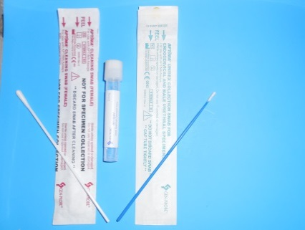
 | Aptima Genital Swab
 | GC
 | Chlamydia
 | *White shaft swab for cleaning-discard
 | *Blue Shaft Unisex Swab for testing
 | Reject: White swab or wooden shaft swabs

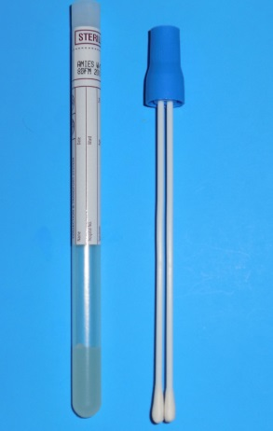
 | Anaerobic Culture Swab
 | Abscess or Deep Wound Exudate

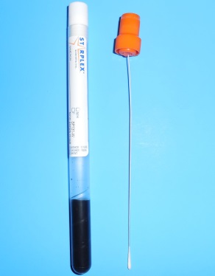
 | Bordetella Swab PCR |  | (Charcoal)

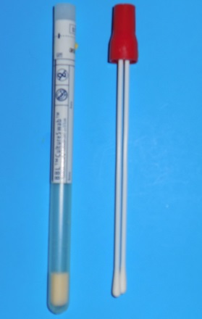
 | Red Bacterial Aerobic Swab
 | Gram Stain
 | Group B Strept
 | Trichomonas
 | BV Vaginitis Panel
 | Wound Culture

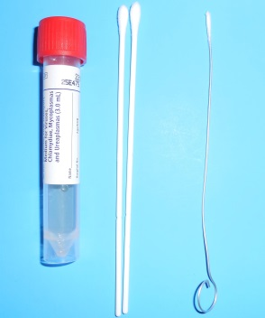
 | VCM-Viral, Chlamydial and Mycoplasma
 | HSV PCR
 | Varicella PCR
 | Respiratory Multiplex PCR
 | Chlamydia PCR
 | Viral Cultures
 | *Wire Dacron swab for nasopharyngeal and urethral specimens
 | Order separately

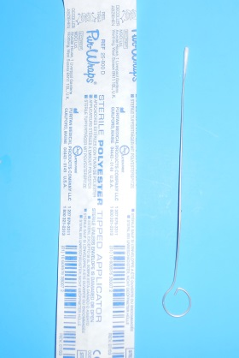
 | Dacron Swab
 | For Nasopharygeal and urethral collection sites
 | *Media Separate

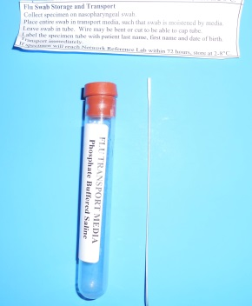
 | RSV Ag and Influenza Ag Kit (PBS)
 | RSV Ag
 | Influenza A & B

Urine Collection

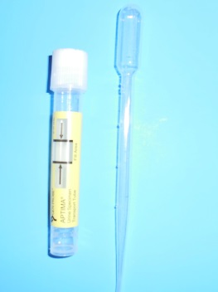
 | Aptima Urine Unisex
 | GC
 | Chlamydia
 | Trichomonas Urine

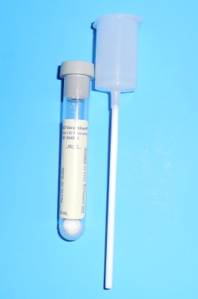
 | Urine Culture
 | Urine Culture Only
 | *Not recommended for Urinalysis testing

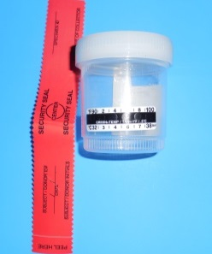
 | Chain of Custody Drug Screen Kit
 | Includes:Temperature detection strip
 | Security Tape

Blood Collection
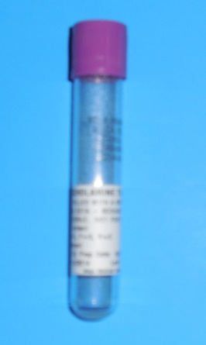
 | Catecholemine Tube

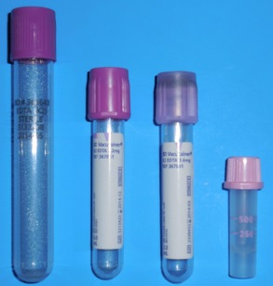
 | Lavender Top EDTA
 | Available in:
 | 10mL
 | 4mL
 | 2mL
 | Microcontainer

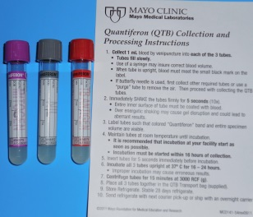
 | Quantiferon TB Collection Kit
 | Includes: 3 collection tubes
 | Intructions on collection

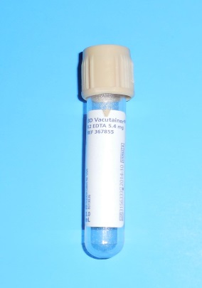
 | Tan Top EDTA
 | Lead testing Only

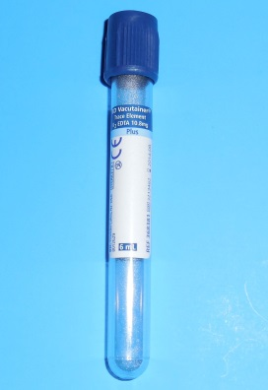
 | EDTA Trace Element Tube |  |  | for Whole Blood Samples
 | Arsenic
 | Cadmium
 | Heavy Metals
 | Lead

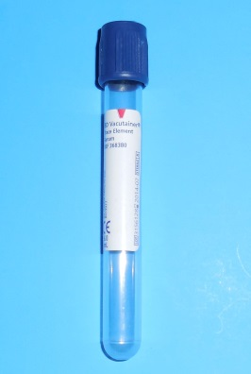
 | Trace Element Tube-Serum
 | Aluminum
 | Copper
 | Zinc

 | Serotonin Whole Blood Collection Tube

Stool Collection

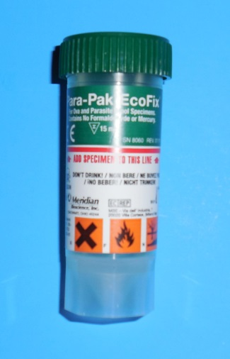
 | EcoFix ParaPak
 | Parasitic ID

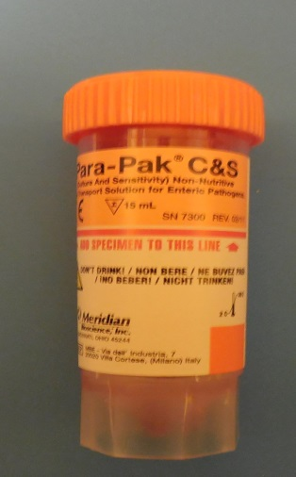
 | Stool Culture
 | Salmonella
 | Shigella
 | Campylobacter
 | enterohemorrhagic Escherichia coli
 | (including Escherichia coli O157).

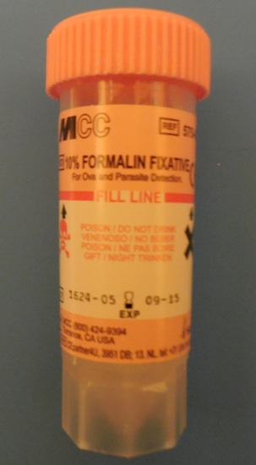
 | Ova and Parasite
 | Cryptosporidium
 | Giardia

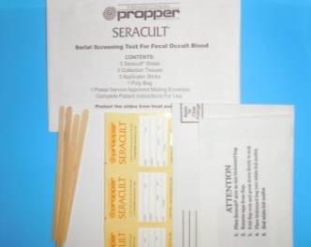
 | Fecal Occult Blood Mailer Kit
 | Includes: 3 FOB Cards
 |  | 3 Collection sticks
 |  | Collection Paper
 |  | Mailing envelope
 | *FOB cards also available separatly

Additional Items

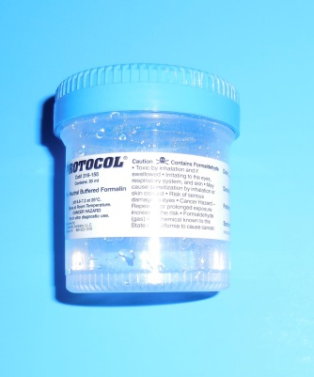
 | 30mL Formulin Cup
 | Surgical Samples

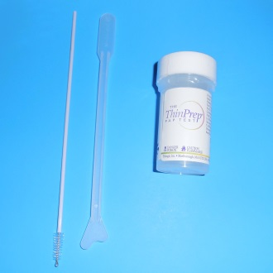
 | Thin Prep Collection Kit
 | Includes: Thin Prep
 |  | Spatula
 |  | Cervical Brush
 |  | Brooms available upon request
 | Comes in trays of 25

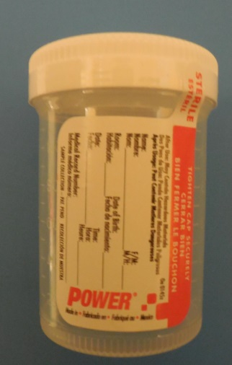
 | Sterile Specimen Cup
 | Urine
 | Body Fluids
 | Nails
 | Tissue *Call Lab for specific instruction

12/18/2013 tr

